4. Phase 2 - Draw.io Arch
📐 PHASE 2: DESIGN — SYSTEM ARCHITECTURE & DRAW.IO MODELING

Step / Item | Instructions for Draw.io Modeling | Student Architecture Specifications / Screenshot Link
Step 1: Access Tool | Open https://app.diagrams.net (Free, no account needed). Select 'Create New Diagram' -> 'Blank Diagram'. | Tool: Draw.io / diagrams.net (File: docs/phase2_architecture.drawio & docs/architecture_diagram.html)
Step 2: Tier 1 - Client | Add a 'Browser / Laptop' shape representing the Client Frontend. Specify: Port 5500 (Live Server), HTML5 RSVP Form, CSS Grid, Vanilla JS fetch(). | Tier 1: Presentation Layer (Port 5500) - Semantic HTML5 (<dialog> modal, <table>), CSS Grid Glassmorphism dark theme, Vanilla JS ES6 Fetch API client (api.js, app.js)
Step 3: Network Connection | Draw a connecting arrow from Client to Server. Label arrow: 'HTTP REST API (JSON Payload: StudentName, Email, Dept, Event, Tickets)'. | Network Protocol: HTTP/1.1 REST JSON API with CORS enabled (Endpoints: POST, GET, DELETE /api/registrations, GET /api/events)
Step 4: Tier 2 - Backend | Add a 'Web Server' box representing Java Spring Boot 3. Show 3 internal layers: RegistrationController (8080) -> RegistrationService (Validation) -> RegistrationRepository (JPA). | Tier 2: Business Logic Layer (Port 8080) - Java 17, Spring Boot 3.2.5, RegistrationController, CampusEventController, RsvpService (@Transactional), GlobalExceptionHandler
Step 5: Database Connection | Draw an arrow from Spring Boot to Database. Label arrow: 'Internal JDBC Connection (TCP/IP Port 3306)'. | Internal JDBC Protocol: TCP/IP Port 3306, HikariCP connection pool, Hibernate ORM, MySQL Connector/J 8.3.0
Step 6: Tier 3 - Database | Add a 'Database Cylinder' shape representing MySQL 8.0. Label: 'event_db.registrations table on disk'. | Tier 3: Database Layer (Port 3306) - MySQL 8.4 Community Server (InnoDB Engine), database: campus_rsvp_db, tables: campus_events, registrations
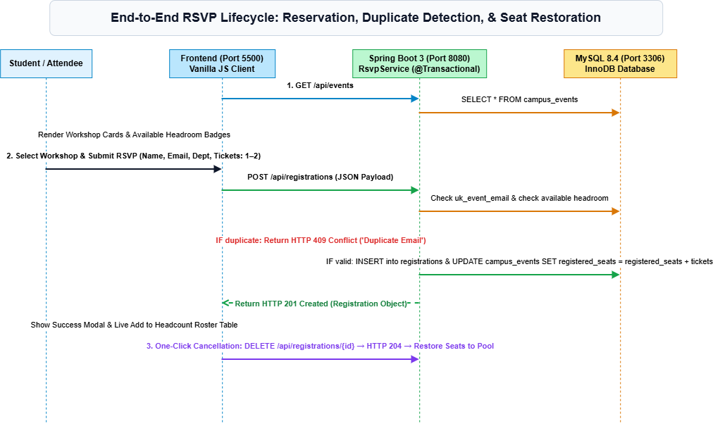
Step 7: Diagram Link / Paste | Export your Draw.io diagram as PNG or shareable link and paste here: | Diagram Files: [docs/phase2_architecture.drawio] (Multi-page Draw.io) & [docs/architecture_diagram.html] (Interactive SVG Visualizer)

